Overview
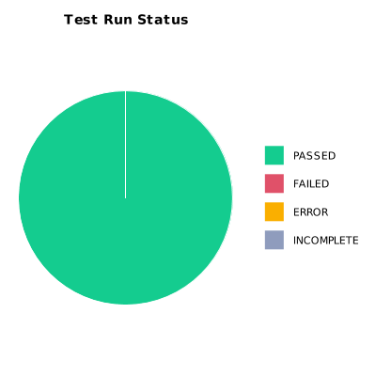
EXECUTION SUMMARY
Execution ID | 5
Status | PASSED
Organization | SCAE - Project
Team | Mercurio Systems
Project | SCAEW - Web Application
By | Juan Bernardo Camacho Tirado
Start Time | 12/06/2020 23:43:52 +00:00
Duration | 0:04:45.800

TEST RESULTS
Total test runs | 6
Passed | 6
Failed | 0
Error | 0
Incomplete | 0

